(2) MUNIS
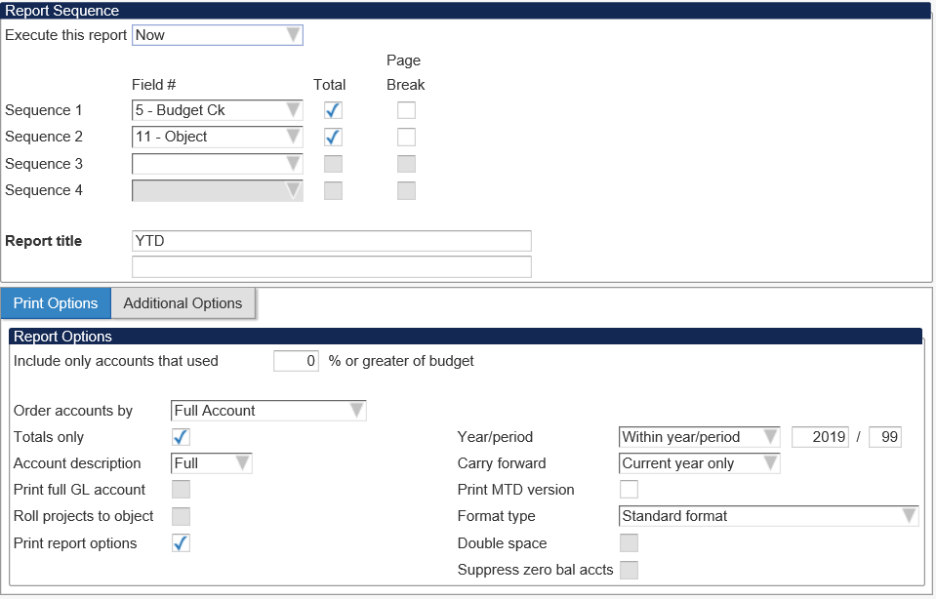
 |  | Enter Current Budget & Actual Amounts per MUNIS |  |  | TWO METHODS TO RETRIEVE INFORMATION
 |  |  |  |  | (1) YTD Budget Report
 |  |  | BUDGET | ACTUAL |  | Segment Find
310 |  | CERTIFICATED SALARIES | - | - |  |  | Project = 3xxxx
 | 13130 | Principals/Assistants | - | - |  |  | Account Type = Expense
 | 13140 | Exempt Salaries - TRS | - | - |  |  | Account Status = Active
 | 13150 | Certified Teachers | - | - |  |  | Accept
 | 13160 | Extra Duty Pay for Certified | - | - |  | Report Options
 | 13170 | Supplemental Pay for Certified | - | - |  |  | Set options as indicated in pictures
320 |  | NON-CERTIFICATED SALARIES | - | - |  |  | Accept
 | 13210 | Exempt Salaries - PERS | - | - |  |  | Return
 | 13240 | Support Staff | - | - |  | Choose PDF or Excel
 | 13245 | Overtime | - | - |  | Enter the "Revised Budget" column into this Excel
 | 13250 | Extra Duty Pay for Classified | - | - |  | ! IMPORTANT ! - Look for negative available
 | 13255 | Extra Duty Pay for Others | - | -
 | 13270 | Substitutes for Certified | - | - | (2) Account Inquiry
 | 13290 | Temporaries | - | - |  | Segment Find
360 |  | EMPLOYEE BENEFITS | - | - |  |  | Project = 3xxxx
 | 13610 | Health & Life | - | - |  |  | Account Type = Expense
 | 13620 | Unemployment | - | - |  |  | Account Status = Active
 | 13630 | Worker's Compensation | - | - |  |  | Accept
 | 13640 | FICA | - | - |  | Choose browse
 | 13650 | TRS | - | - |  | Choose PDF or Excel
 | 13660 | PERS | - | - |  | Enter the "Revised Budget" column into this Excel
410 | 24100 | PROFESSIONAL & TECHNICAL | - | - |  | ! IMPORTANT ! - Look for negative available
420 |  | STAFF TRAVEL | - | -
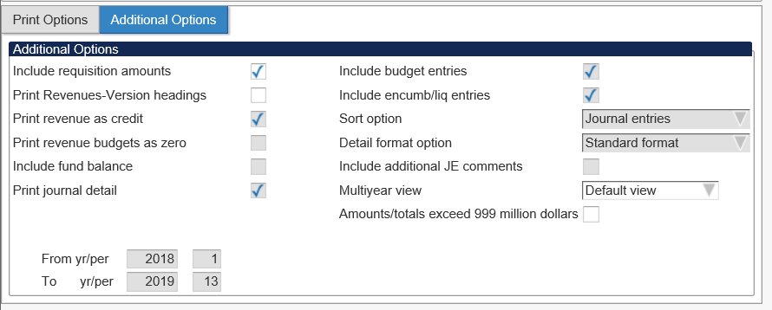
 | 24200 | Travel | - | -
 | 24210 | Mileage | - | -
425 | 24250 | STUDENT TRAVEL | - | -
430 | 24330 | COMMUNICATION | - | -
440 | 24400 | PURCHASED SERVICES | - | -
450 |  | SUPPLIES, MATERIALS & MEDIA | - | -
 | 24500 | Supplies | - | -
 | 24510 | Software | - | -
 | 24570 | Equipment ($500-$4999) | - | -
480 | 24800 | STUDENT TUITION | - | -
490 |  | OTHER EXPENSES | - | -
 | 24850 | Stipends | - | -
 | 24900 | Dues & Fees | - | -
495 | 24950 | INDIRECT COSTS | - | -
510 |  | EQUIPMENT | - | -
 | 35100 | Equipment ($5000 or greater) | - | -
 | 35400 | Software ($5000 or greater) | - | -
560 | 35600 | Awaiting Budget | - | -
 |  | Total Award per MUNIS | - | -

Acct Svs Import
For Accounting Services only, to import grant budget adjustment into MUNIS.
 |  | Report Unit
 |  | Fund
 |  | Function
 |  | Program
 |  | Project

BCk | Obj | Description | Original | Revised | Account Number | Refernece Description | Adjustment
310 | 13130 | Principals/Assistants | $- | $- | ----310-13130 - | BUDGET ADJUSTMENT | $-
310 | 13140 | Exempt Salaries - TRS | $- | $- | ----310-13140 - | BUDGET ADJUSTMENT | $-
310 | 13150 | Certified Teachers | $- | $- | ----310-13150 - | BUDGET ADJUSTMENT | $-
310 | 13160 | Extra Duty Pay for Certified | $- | $- | ----310-13160 - | BUDGET ADJUSTMENT | $-
310 | 13170 | Supplemental Pay for Certified | $- | $- | ----310-13170 - | BUDGET ADJUSTMENT | $-
320 | 13210 | Exempt Salaries - PERS | $- | $- | ----320-13210 - | BUDGET ADJUSTMENT | $-
320 | 13240 | Support Staff | $- | $- | ----320-13240 - | BUDGET ADJUSTMENT | $-
320 | 13245 | Overtime | $- | $- | ----320-13245 - | BUDGET ADJUSTMENT | $-
320 | 13250 | Extra Duty Pay for Classified | $- | $- | ----320-13250 - | BUDGET ADJUSTMENT | $-
320 | 13255 | Extra Duty Pay for Others | $- | $- | ----320-13255 - | BUDGET ADJUSTMENT | $-
320 | 13270 | Substitutes for Certified | $- | $- | ----320-13270 - | BUDGET ADJUSTMENT | $-
320 | 13290 | Temporaries | $- | $- | ----320-13290 - | BUDGET ADJUSTMENT | $-
360 | 13610 | Health & Life | $- | $- | ----360-13610 - | BUDGET ADJUSTMENT | $-
360 | 13620 | Unemployment | $- | $- | ----360-13620 - | BUDGET ADJUSTMENT | $-
360 | 13630 | Worker's Compensation | $- | $- | ----360-13630 - | BUDGET ADJUSTMENT | $-
360 | 13640 | FICA | $- | $- | ----360-13640 - | BUDGET ADJUSTMENT | $-
360 | 13650 | TRS | $- | $- | ----360-13650 - | BUDGET ADJUSTMENT | $-
360 | 13660 | PERS | $- | $- | ----360-13660 - | BUDGET ADJUSTMENT | $-
410 | 24100 | PROFESSIONAL & TECHNICAL | $- | $- | ----410-24100 - | BUDGET ADJUSTMENT | $-
420 | 24200 | Travel | $- | $- | ----420-24200 - | BUDGET ADJUSTMENT | $-
420 | 24210 | Mileage | $- | $- | ----420-24210 - | BUDGET ADJUSTMENT | $-
425 | 24250 | STUDENT TRAVEL | $- | $- | ----425-24250 - | BUDGET ADJUSTMENT | $-
430 | 24330 | COMMUNICATION | $- | $- | ----430-24330 - | BUDGET ADJUSTMENT | $-
440 | 24400 | PURCHASED SERVICES | $- | $- | ----440-24400 - | BUDGET ADJUSTMENT | $-
450 | 24500 | Supplies | $- | $- | ----450-24500 - | BUDGET ADJUSTMENT | $-
450 | 24510 | Software | $- | $- | ----450-24510 - | BUDGET ADJUSTMENT | $-
450 | 24570 | Equipment ($500-$4999) | $- | $- | ----450-24570 - | BUDGET ADJUSTMENT | $-
480 | 24800 | STUDENT TUITION | $- | $- | ----480-24800 - | BUDGET ADJUSTMENT | $-
490 | 24850 | Stipends | $- | $- | ----490-24850 - | BUDGET ADJUSTMENT | $-
490 | 24900 | Dues & Fees | $- | $- | ----490-24900 - | BUDGET ADJUSTMENT | $-
495 | 24950 | INDIRECT COSTS | $- | $- | ----495-24950 - | BUDGET ADJUSTMENT | $-
510 | 35100 | Equipment ($5000 or greater) | $- | $- | ----510-35100 - | BUDGET ADJUSTMENT | $-
510 | 35400 | Software ($5000 or greater) | $- | $- | ----510-35400 - | BUDGET ADJUSTMENT | $-
560 | 35600 | Awaiting Budget | $- | $- | ----560-35600 - | BUDGET ADJUSTMENT | $-

